Impact Levels
REFERENCE FOR POTENTIAL IMPACT LEVEL SELECTION
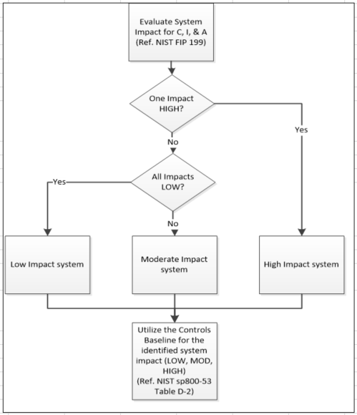
From FIPS PUB 199:

SC information type = {(confidentiality, impact), (integrity, impact), (availability, impact)},

The potential impact is LOW if—
− The loss of confidentiality, integrity, or availability could be expected to have a limited adverse effect on organizational operations, organizational assets, or individuals.2
AMPLIFICATION: A limited adverse effect means that, for example, the loss of confidentiality, integrity, or availability might: (i) cause a degradation in mission capability to an extent and duration that the organization is able to perform its primary functions, but the effectiveness of the functions is noticeably reduced; (ii) result in minor damage to organizational assets; (iii) result in minor financial loss; or (iv) result in minor harm to individuals.

The potential impact is MODERATE if—
− The loss of confidentiality, integrity, or availability could be expected to have a serious adverse effect on organizational operations, organizational assets, or individuals.
AMPLIFICATION: A serious adverse effect means that, for example, the loss of confidentiality, integrity, or availability might: (i) cause a significant degradation in mission capability to an extent and duration that the organization is able to perform its primary functions, but the effectiveness of the functions is significantly reduced; (ii) result in significant damage to organizational assets; (iii) result in significant financial loss; or (iv) result in significant harm to individuals that does not involve loss of life or serious life threatening injuries.

The potential impact is HIGH if—
− The loss of confidentiality, integrity, or availability could be expected to have a severe or catastrophic adverse effect on organizational operations, organizational assets, or individuals.
AMPLIFICATION: A severe or catastrophic adverse effect means that, for example, the loss of confidentiality, integrity, or availability might: (i) cause a severe degradation in or loss of mission capability to an extent and duration that the organization is not able to perform one or more of its primary functions; (ii) result in major damage to organizational assets; (iii) result in major financial loss; or (iv) result in severe or catastrophic harm to individuals involving loss of life or serious life threatening injuries.

A low-impact system is an information system in which all three of the security objectives are low.
A moderate-impact system is an information system in which at least one of the security objectives is moderate and no security objective is greater than moderate.
A high-impact system is an information system in which at least one security objective is high.

